Sheet1
 |  | Document No. |  | Issue No. | Issue Date |  | Review and Replace Date |  | Authorised By
 |  | GFF329MC |  | 2 | 05.10.2021 |  | 28.12.2021 |  | Magda Shah
 |  | Document Title |  | 4 PERSON BANQUET BOX 3420g

Document amendments reason for change |  | Film Updated |  | Page 1 of 2 |  | Previous Issue Date |  | 05.10.2021 | Uncontrolled copy unless signed original

C4PML-B7TEB | BOOTHS - AYR PARTY BOX |  |  |  | 4 PERSON BANQUET BOX 3420g | CHILLED
PRODUCT 1 |  |  |  |  |  | PRODUCT 2
BM Chicken (GFF164R) 150g
BM Chicken (GFF164R) 150g

Kashmiri Curry (CC) (GFF319R) 350g
Tikka Masala Sauce (GFF141R) 350g

Chicken Tikka Masala 500g |  |  |  |  |  | Kashmiri Chicken 500g
Tray: EVOLVE CPET 2200-1D (PKRHP001-09)
Film: K peel 7G+25A/f- 275mm (275 mmX1000) (PKKMP001-03)
Allergens: Barley, Milk, Nuts |  |  |  |  |  | Allergens: Barley, Milk, Nuts
PRODUCT 3 |  |  |  |  |  | PRODUCT 4
Vegetable Balti
(GFF244R)
500g
 |  |  |  |  |  | 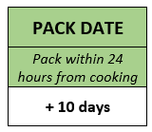 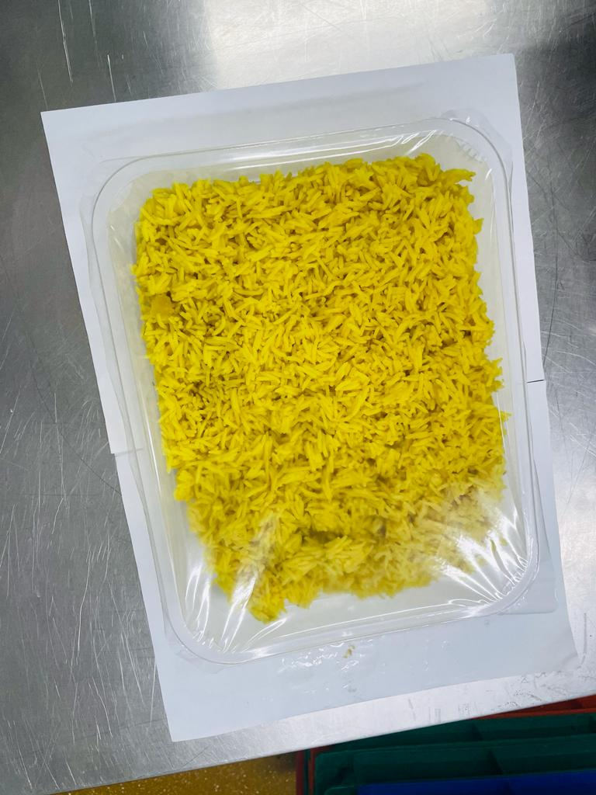

Vegetable Balti (GFF244R) 500g |  |  |  |  |  | Pilau Rice (GFF143R) 1000g
Tray: EVOLVE CPET 2200-1D (PKRHP001-09) |  |  |  |  |  | Tray: H3H 50 - CLEAR (PKNUT001-07)
Film: K peel 7G+25A/f- 275mm (275 mmX1000) (PKKMP001-03) |  |  |  |  |  | Film: PP340 AF 340mmx500m (PKPRO001-15)
Allergens: Mustard |  |  |  |  |  | Allergens: none

 |  | Document No. |  | Issue No. | Issue Date |  | Review and Replace Date |  | Authorised By
 |  | GFF329MC |  | 2 | 05.10.2021 |  | 28.12.2021 |  | Magda Shah
 |  | Document Title |  | 4 PERSON BANQUET BOX 3420g

Document amendments reason for change |  | Film Updated |  | Page 2 of 2 |  | Previous Issue Date |  | 05.10.2021 | Uncontrolled copy unless signed original

C4PML-B7TEB | BOOTHS - AYR PARTY BOX |  |  |  | 4 PERSON BANQUET BOX 3420g | CHILLED
PRODUCT 5 |  |  |  |  |  | PRODUCT 6
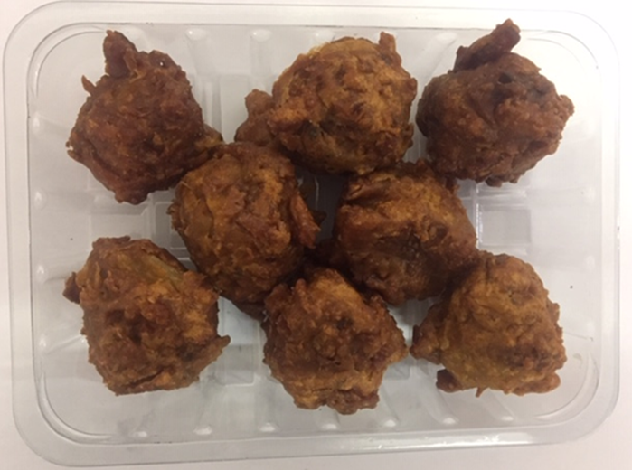 |  |  |  |  |  | 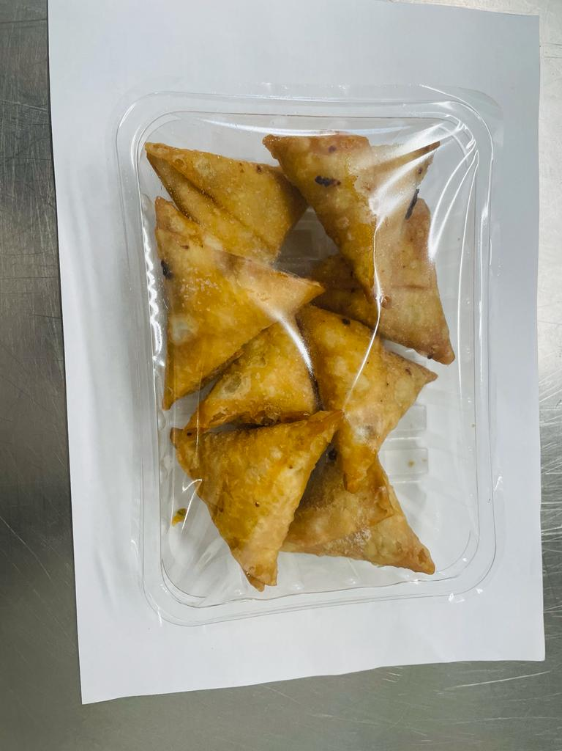

8 x ONION BHAJI (GFF121R) 30g: (240g) |  |  |  |  |  | 8 x VEGETABLE SAMOSA (GFF003R) 25g: (200g)
Tray: SK4 - Plain Clear (PKESS001-07)
Film: ME300AFV2, 300mmx 1000m (PKPRO001-16)
Allergens: none |  |  |  |  |  | Allergens: Wheat
PRODUCT 7 |  |  |  |  |  | PRODUCT 8
Tamarind Sauce (RMP&B001-04) 100g
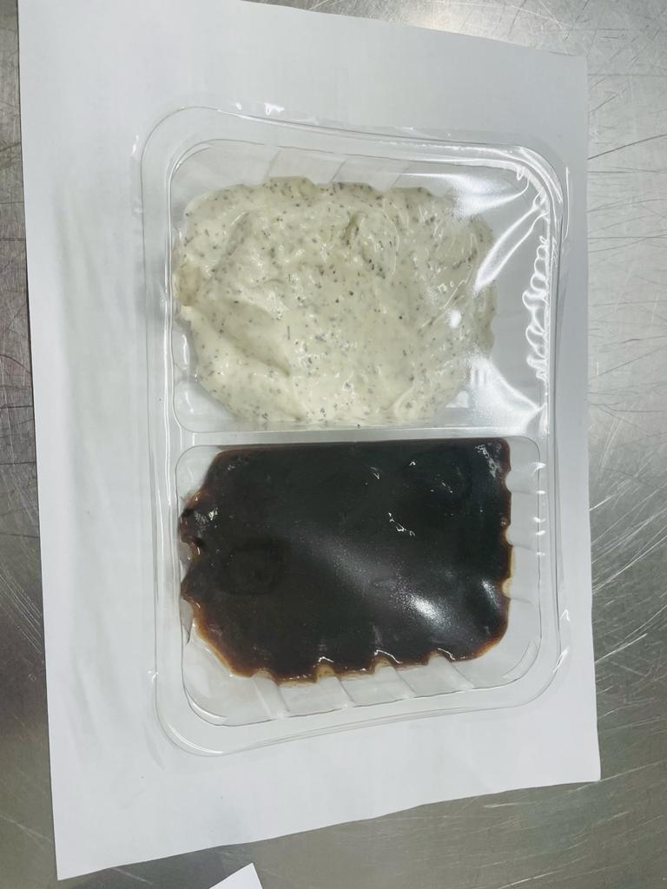

Will be added in Sleeving

30% Yoghurt & Mint (RMPIQ001-01R) 100g

Tamarind Dip &Yogurt Mint Raita 200g |  |  |  |  |  | Mini Naan Bread - 2 packets (140gx2)
Tray: SK4 - Split Clear (PKESS001-06)
Film: ME300AFV2, 300mmx 1000m (PKPRO001-16)
Allergens: none |  |  | Allergens: Milk, Egg |  |  | Allergens: wheat

